Index
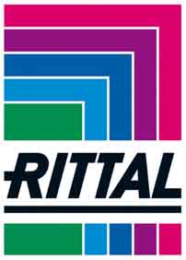

PRICE LIST (UK)
Prices Effective - 04 January 2018 (HB35) Rev.1 VX25

Prices quoted do not include VAT. All goods sold are subject to Rittal Ltd standard terms and conditions of sale.
The right is reserved to change prices without prior notice.
From time to time certain products may be removed from sale and alternatives, where possible, will be recommended.
Prices are carriage free for mainland UK only. All others regions, e.g. Northern Ireland & I.O.M. prices are ex-works.
ITEMS CONTAINING COPPER (CU) ARE LIKELY TO CHANGE WITHOUT PRIOR NOTICE
where shown (Subject to Copper Surcharge (kg)), pricing will be exclusive of surcharge, which will be added at time of order confirmation

HEAD OFFICE
Rittal Limited, Braithwell Way, Hellaby Industrial Estate, Hellaby, Rotherham S66 8QY
Facsimile: 01709 701217
Telephone: 01709 704000

LONDON OFFICE (IT)
Rittal Limited, 1 Canada Square, Canary Wharf, London, E14 5AA
Customer Service: 0330 22 111 61

information@rittal.co.uk
http://www.rittal.co.uk

Budgetory Price Calculator
Rittal Limited Budgetary Pricing Calculator
enter only in yellow cells
Part Number | Qty | List Price | Product Description | Discount per item | Net price per Unit of Measure | Total for Qty

Total |  |  |  |  |  | £0.00

Clear Data
Project/Customer name:

Enter approved discount*
* Note discount shown above is only valid if the customer has a valid letter of discount
or agreement with Rittal Ltd. Prices are budgetary and subject to change.

